Sheet1
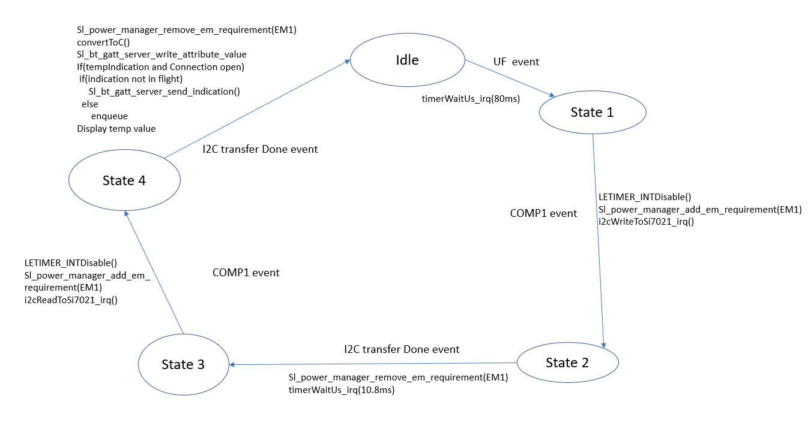
 | Server Command Table for A8

 | Use this table to help you design your program. Add rows as needed. | Use this column to describe when and what your LCD display changes to for rows like DISPLAY_ROW_CONNECTION | Use this column to denote if BT stack events cause your state machine to advance, you can put an X in the cell to note this. Drawing a bubble diagram of your state machine might also be a good idea 👍. | Commands that may be useful: sl_bt_gatt_discover_primary_services_by_uuid() sl_bt_gatt_discover_characteristics_by_uuid()
 | Event | LCD Display State | Advances State Machine | Commands called in response to event | Notes
Events Common to Slaves/Clients
 | sl_bt_evt_system_boot_id | DISPLAY_ROW_NAME : server DISPLAY_ROW_ASSIGNMENT : A8 DISPLAY_ROW_CONNECTION : Advertising DISPLAY_ROW_BTADDR : {server addr} |  | This event is generated on stack boot up
 |  |  |  | sl_bt_system_get_identity_address()
 |  |  |  | sl_bt_sm_delete_bonding()
 |  |  |  | sl_bt_sm_configure()
 |  |  |  | sl_bt_advertiser_create_set()
 |  |  |  | sl_bt_advertiser_set_timig()
 |  |  |  | sl_bt_advertiser_start()
 |  |  |  | sl_bt_system_set_soft_timer()
 | sl_bt_evt_connection_opened_id | DISPLAY_ROW_CONNECTION : Connected |  |  | Event is generated when a new connection is established
 |  |  |  | sl_bt_advertiser_stop()
 |  |  |  | sl_bt_connection_set_parameters()
 | sl_bt_evt_connection_closed_id | DISPLAY_ROW_CONNECTION : Advertising DISPLAY_ROW_TEMPVALUE : “” DISPLAY_ROW_9: “” |  | sl_bt_advertise_start()
 |  |  |  | sl_bt_sm_delete_bonding() | Turn both LEDs off also
 |  |  |  | ble_data.connectionOpen =false ble_data.inFligt =false ble_data.tempInication = false ble_data.buttonState = false
 | sl_bt_evt_system_soft_timer_id |  |  | if(soft timer handle ==10 and inFlight == false) Indication to send = dequeue sl_bt_gatt_server_send_indication() InFlight = true | This event indicates that a soft timer has expired. Send indications for both temp measurment and button state

Events only for Server/Slaves | sl_bt_evt_sm_confirm_bonding_id |  |  | sl_bt_sm_bonding_confirm()
 | sl_bt_evt_sm_confirm_passkey_id | DISPLAY_ROW_PASSKEY: passkey DISPLAY_ROW_ACTION: Confirm wirh PB0 |  |  | Confirmed by using PB0 which will in turn trigger a external signal event
 | sl_bt_evt_sm_bonded_id | DISPLAY_ROW_PASSKEY: “” DISPLAY_ROW_ACTION: “” DISPLAY_ROW_CONNECTION: Bonded
 | sl_bt_evt_gatt_server_characteristic_id | if buttonindication are false then DISPLAY_ROW_9 =”” If tempindications are false DISPLAY_ROW_TEMPVALUE= “” |  | When Characteristic Handle is Temp_measurment: If (client flag != sl_bt_gatt_disable) TempIndications true and LED0 turn on Else : TempIndications false and LED0 turn off | Also use the indication on off logic to also turn on and off the coressponding LEDs
 |  |  |  | When Characteristic Handle is button state: If (client flag != sl_bt_gatt_disable) ButtonInidcation true and LED1 turn on Else : Buttonindication false and LED1 turn off Additionally both the above if statements will also include another If condition (if(confirmation recieved) then inflight = false
 | sl_bt_evt_system_external_signal_id | if button pressed : DISPLAY_ROW_9: button Pressed Else if button relased: DISPLAY_ROW_9: button Relased |  | If user wants to confirm pass key then press PB0 which will triger this event and then call this function sl_bt_sm_passkey_confirm() | check is external signal is evtPB0Pressed
 |  |  |  | sl_bt_gatt_server_write_artibute_value() Call the remainging function if indications are on connection is open and bonded

 |  |  |  | If (inFlight ==false) sl_bt gatt_server_send_indication InFlight = true Else Enqueue()
 |  |  | X | in Schedular.c this same event is used to drive the temperature state machine using events such as UF,COMP1 and i2ctransfer complete. See state machine below for implementation and which functions to call
Refer to Note column for event mentioned in state diagram X marks an event which is used in the state machine.

